Sheet1
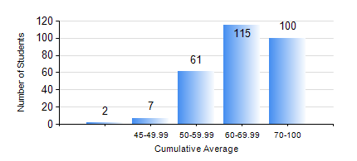
 |  |  | KWAME NKRUMAH UNIVERSITY OF SCIENCE AND TECHNOLOGY, KUMASI Department of Computer Engineering

 |  |  | BSC. COMPUTER ENG.

 |  |  | COMPREHENSIVE RECORD OF EXAMINATION RESULTS

 |  |  | RESULTS OF YEAR 1 FIRST SEMESTER, 2023/2024 ACADEMIC YEAR

 | Sn | Course Code |  | Course Name | Credit Hours | Min. Mark | Max. Mark | Avg. Mark | Std. Dev. | No. Passed | No. Trailed | No. (Df) | No. (I) | No. (I*) | No. Tagged(I,I*,Df) | Total
 | 0. |  |  |  |  |  |  | 0 | 0 | 0 | 0 | 0 | 0 | 0 | 0 | 5
 | 1. | CE 155 |  | ENVIRONMENTAL STUDIES | 2 | 30 | 86 | 63 | 10.78 | 279 | 1 | 0 | 0 | 0 | 0 | 280
 | 2. | COE 153 |  | ENGINEERING TECHNOLOGY | 2 | 0 | 90 | 67 | 10.52 | 279 | 1 | 0 | 0 | 0 | 0 | 280
 | 3. | COE 181 |  | APPLIED ELECTRICITY | 3 | 45 | 94 | 63 | 8.24 | 280 | 0 | 0 | 0 | 0 | 0 | 280
 | 4. | ENGL 157 |  | COMMUNICATION SKILLS I | 2 | 40 | 95 | 72 | 10.52 | 280 | 0 | 0 | 0 | 0 | 0 | 280
 | 5. | MATH 151 |  | ALGEBRA | 4 | 26 | 89 | 74 | 7.4 | 279 | 1 | 0 | 0 | 0 | 0 | 280
 | 6. | ME 159 |  | TECHNICAL DRAWING | 2 | 29 | 87 | 62 | 12.29 | 275 | 5 | 0 | 0 | 0 | 0 | 280
 | 7. | ME 161 |  | BASIC MECHANICS | 3 | 15 | 96 | 62 | 15.84 | 273 | 7 | 0 | 0 | 0 | 0 | 280

